1. Title Page
Analysis

Project Name: Instacart Analysis
Date: 12/22/2024
Analyst Name: Aaron Johnson

Contents: | Data Citation
Population Flow
Consistency checks | Primary data: “The Instacart Online Grocery Shopping Dataset 2017”, Accessed from www.instacart.com/datasets/grocery-shopping-2017 via Kaggle on [date]
Wrangling steps
Column derivations | The costomer data set, and the "prices" column in the products data set were both constructed by CareerFoundry for the purpose of this project
Visualizations
Recommendations

2. Population Flow
Title page

Population flow

Exclusion flag
Condition: max_order < 5
Obervations to be removed: 1440295 Rows
Final total count of order_products_all: 30964564 Rows

Orders_products_combined
Ords_prods_merge
Full_set
Final_set

Total: 32434489 Rows
Total: 32404859 Rows
Total: 32404859 Rows

Total: 30964564 Rows

1.) The grey boxes in the first row of the population flow represent the original data sets as they were when you downloaded them. In the Total fields you need to add the count of the rows when you imported the data set into Jupyter.
2.) The second row of boxes (coloured) represents the data sets after you manipulated them, e.g., removed missing values and duplicates. In the Total fields you need to add the count of the rows after conducting these operations. This offers a visual oveview of how the data flows throughout the data consistency checks.
3.) The third row, where also the arrows are coloured, represents the merges you performed between the datasets. In the Total fields you need to add the count of the rows in the merged datasets, so that you end up with the final dataset (in the red box). Keep in mind the final dataset should be without exclusions (based on the exclusion flag).

3. Consistency checks
 |  |  |  | Title page
Consistency checks

Dataset | Missing values | Missing values treatment | Duplicates
orders | 206209 | Kept all values | 0
products | 16 | All valuse were removed | 5 values were removed
orders_products_prior | 0 | N/A | 0
customers | 0 | N/A | 0

4. Wrangling steps
 |  |  |  | Title page
Wrangling steps

Columns dropped | Columns renamed | Columns' type changed | Comment/Reason
eval_set from Orders Data |  |  | Column was unnecessary to the Analysis
date_join from Customers Data |  |  | Column was unnecessary to the Analysis
First Name from Customers Data |  |  | Column was unnecessary to the Analysis
Surnam from Customers Data |  |  | Column was unnecessary to the Analysis
aisle_id from Products Data |  |  | Column was unnecessary to the Analysis
 | changed order_number from Orders Data to number_of_consecutive_orders |  | To make the column name easier to understand
 | changed order_dow from Orders Data to orders_day_of_week |  | To make the column name easier to understand
 | changed STATE from Customers Data to U.S. State |  | To make the column name fit in with the other column names
 | changed n_dependants from Customer Data to #dependants |  | To make the column name easier to understand
 | changed fam_status from Customer Data to Family Status |  | To make the column name easier to understand
 |  | changed the data type of order_id from Orders Data to string | An id number isn't numerical data
 |  | changed the data type of user_id from Orders Data to string | An id number isn't numerical data
 |  | changed the data type of user_id from Customers Data to String | An id number isn't numerical data
 |  | changed the data type of department_id from both Products Data and Departments Data to string | To help merge the data sets

5. Column derivations
 |  |  |  |  |  | Title page

Column derivations and aggregations

Dataset | New column | Column/s it was derived from | Conditions
ords_prods_merge | price_range_loc | prices | prices > 15 = High-range Product, prices <= 15 & prices > 5 = Mid-range product, prices <= 5 = Low-range Product | price_range_loc | Value Counts | U.S. Region | Value Counts
ords_prods_merge | Busiest_days | orders_day_of_week | if value = 0 or 1 then result appears as Busiest days, if value = 4 or 3 then result appears as Least busiest days, else wise the result appears as Regulat days | Mid-ranged product | 21860860 | South | 10791885
ords_prods_merge | busiest_period_of_day | order_hour_of_day | if value = 10, 11, 14, 15, 13, 12, 16, or 9 then result appears as Most orders, if value = 17, 8, 18, 19, 20, 7, 21, or 22 then result appears as Average orders, else wise the result appears as Fewest orders | Low-ranged product | 10126321 | West | 8292913
ords_prods_merge+ | max_order | user_id and number_of_consecutive_orders | grouped by user_id and transformed with the max value of number_of_consecutive_orders | High-ranged product | 417678 | Midwest | 7597325
ords_prods_merge+ | loyalty_flag | max_order | max_order > 40 = Loyal customer, max_order <= 40 & max_order > 10 = Regular ustomer, max_order <= 10 = New customer |  |  | Northeast | 5722736
ords_prods_merge+ | mean_spending | user_id and prices | grouped by user_id and transformed with the mean value of prices
ords_prods_merge+ | spending_flag | mean_spending | mean_spending < 10 = Low spender, mean_spending >= 10 = High spender | Busiest_days | Value Counts
ords_prods_merge+ | order_frequency | user_id and days_since_prior_order | grouped by user_id and transformed with the median value of days_since_prior_order | Regular days | 12916111 | exclusion_flag | Value Counts
ords_prods_merge+ | order_frequency_flag | order_frequency | order_frequency > 20 = Non-frequent customer, order_frequency <= 20 & order_frequency > 10 = Regular customer, order_frequency <= 10 = Frequent customer | Busiest days | 11864412 | Do_Not_Exclude | 30964564
full_set+ | U.S. Region | U.S. State | if state is Maine, New Hampshire, Vermont, Massachusetts, Rhode Island, Connecticut, New York, Pennsylvania, New Jersey then result appears as Northeast | Least busiest days | 7624336 | Exclude | 1440295
 |  |  | if state is Wisconsin, Michigan, Illinois, Indiana, Ohio, North Dakota, South Dakota, Nebraska, Kansas, Minnesota, Iowa, Missouri then result appears as Midwest
 |  |  | if state is Delaware, Maryland, District of Columbia, Virginia, West Virginia, North Carolina, South Carolina, Georgia, Florida, Kentucky, Tennessee, Mississippi, Alabama, Oklahoma, Texas, Arkansas, Louisiana then result appears as South
 |  |  | else wise the result appears as West | busiest_period_of_day | Value Counts | age_group | Value Counts
full_set+ | exclution_flag | max_order | max_order < 5 = Exclude, max_orders >= 5 = Do_Not_Exclude | Most orders | 21118069 | Older Adult | 12508298
full_set+ | age_group | age | age < 36 = Young Adult, age >= 36 & age < 56 = Middle-aged, age >= 56 = Older Adult | Average orders | 9997651 | Middle-aged | 9717461
full_set+ | parent_status | #dependants | #dependants < 1 = Not a Parent, #depemdamts >= 1 = Is a Parent | Fewest orders | 1289139 | Young Adult | 8738805
full_set+ | income_status | income | income < 56600 = Low Income, income >= 56600 & income < 169800 = Middle Income, income >= 169800 = Upper Income

 |  |  |  | loyalty_flag | Value Counts | parent_status | Value Counts
 |  |  |  | Regular customer | 15876776 | Is a parent | 23224883
 |  |  |  | Loyal customer | 10284093 | Not a parent | 7739681
 |  |  |  | New customer | 6243990

 |  |  |  |  |  | income_status | Value Counts
 |  |  |  | spending_flag | Value Counts | Middle Income | 25729706
 |  |  |  | Low spender | 32276079 | Low Income | 4883075
 |  |  |  | High spender | 128780 | Upper Income | 351783

 |  |  |  | Order_frequency_flag | Value Counts
 |  |  |  | Frequent customer | 21559853
 |  |  |  | Regular customer | 7208564
 |  |  |  | Non-frequent customer | 3636437
 |  |  |  | NaN | 5

6. Visualizations
 |  |  | Title page

Visualisations

In this tab you should include all the visualtions from Exercises 4.9 and 4.10, alongside the questions from the project brief that they answer. Include any commentary on the relationship between different variables.

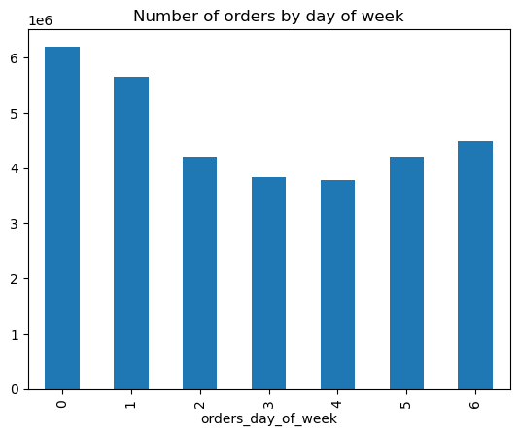
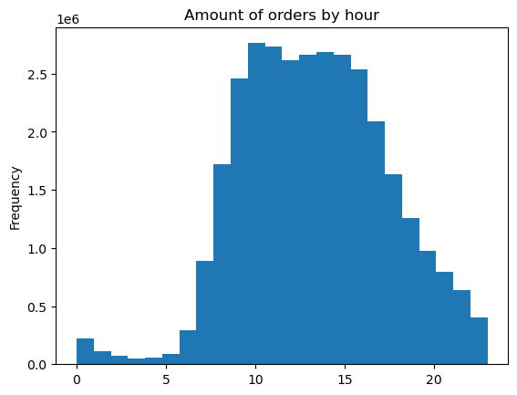
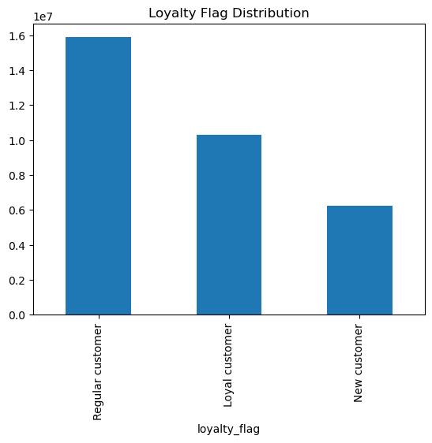
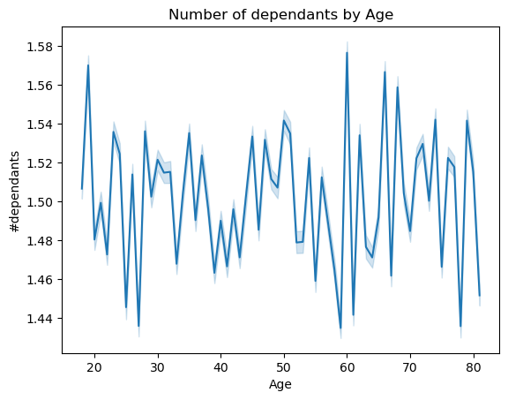

This graph shows what day of the week gets the most orders | This graph shows what hour of the day gets the most orders |  |  |  | This graph shows that there is no connection between a customers age and the number of dependants

 |  |  |  | This graph shows the distribution of the loyalty flags

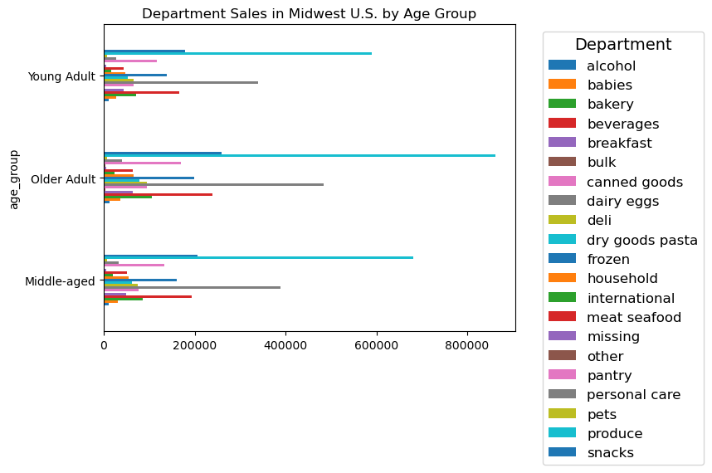
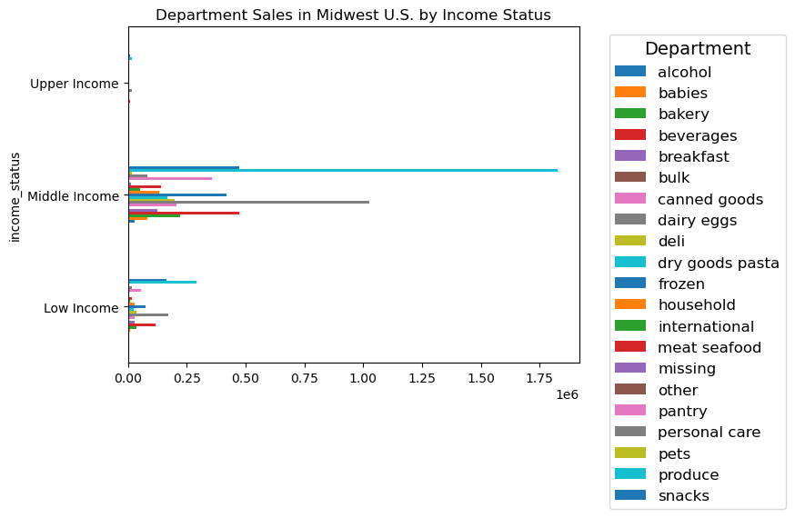
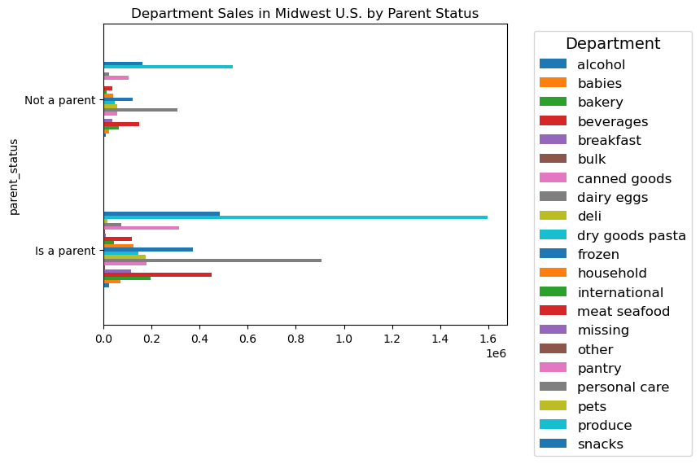

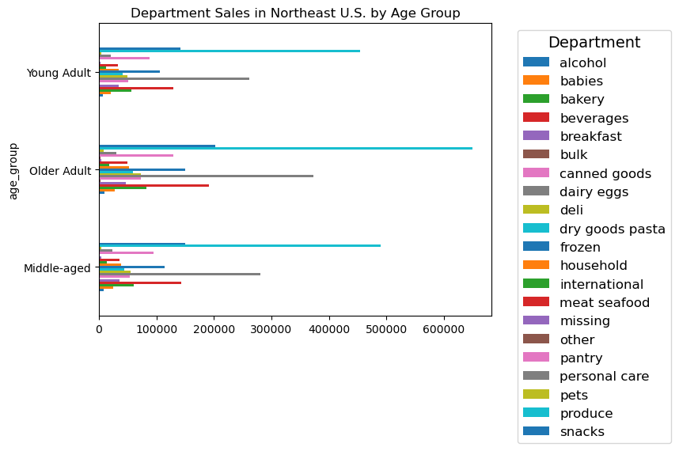
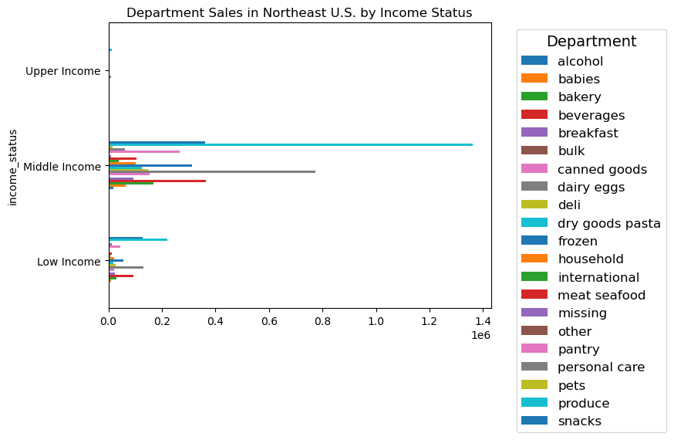


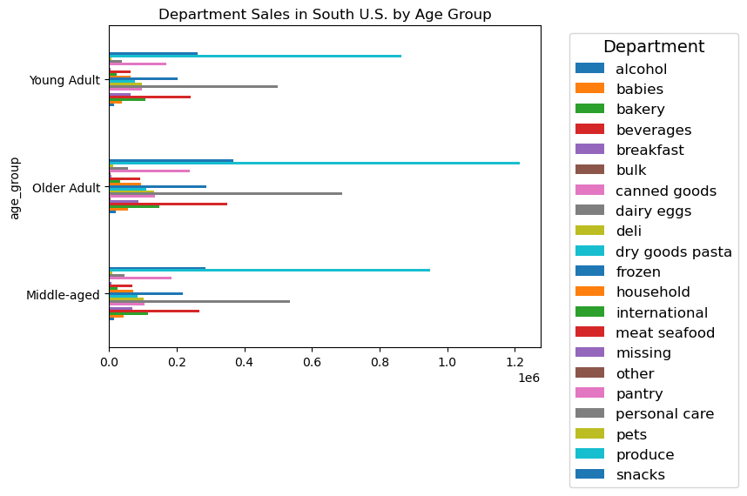

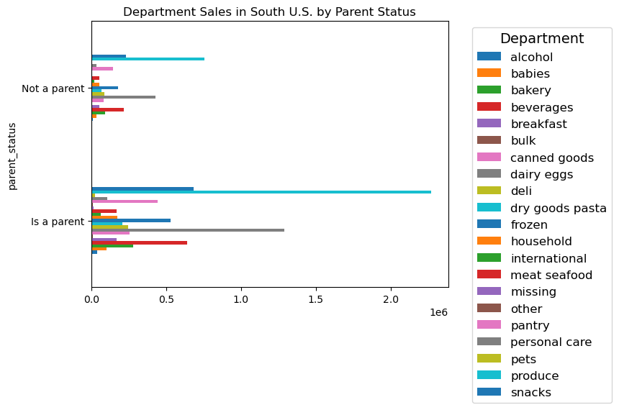


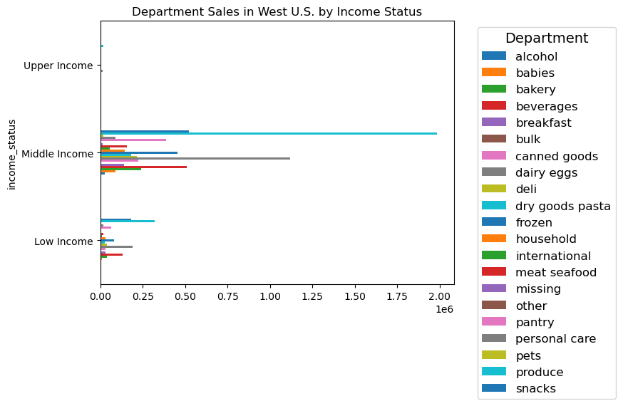


 |  | All of these graphs show that the only connection between U.S. regions, customer profiles, and departments is that the distributions of orders by departments is very consistant

7. Recommendations
 |  |  |  |  |  |  |  |  |  |  |  |  |  | Title page

Recommendations

In this tab you should include any recommendations you would made to Instcart in terms of their marketing strategy based on the questions posed in the brief. Every key question has been covered in the Tasks of the Exercises - here you need to add an item - a visualisation or table/crosstable that is showing the answer in the data, acompanied by a comment from you. Please, list the questions below and add the answer underneath.

 | Q1 | Orders_day_of_week | Value Counts | Order_hour_of_day | Value Counts | Q2 | Order_hour_of_day | Prices (Sum) |  | Q3 | Department | Value Counts
 |  | 0 | 6204182 | 10 | 2761760 |  | 10 | $20,532,989 |  |  | Produce | 9079273
Q1: What is the busiest day of the week, and the busiest hour of the day? |  | 1 | 5660230 | 11 | 2736140 |  | 11 | $20,320,719 |  |  | Dairy Eggs | 5177182
 |  | 6 | 4496490 | 14 | 2689136 |  | 14 | $20,038,111 |  |  | Snacks | 2766406
Saturday and Sunday are the busiest days of the week, and 9AM-4PM are the busiest hours of the day |  | 2 | 4213830 | 15 | 2662144 |  | 15 | $19,796,559 |  |  | Beverages | 2571901
 |  | 5 | 4205791 | 13 | 2660954 |  | 13 | $19,790,412 |  |  | Frozen | 2121731
Q2: At what time do people spend the most money? |  | 3 | 3840534 | 12 | 2618532 |  | 12 | $19,444,788 |  |  | Pantry | 1782705
 |  | 4 | 3783802 | 16 | 2535200 |  | 16 | $18,834,353 |  |  | Bakery | 1120828
10AM is when the most orders are made, and when the most amount of money is spent on those orders |  |  |  | 9 | 2454203 |  | 9 | $18,324,561 |  |  | Canned Goods | 1012074
 |  |  |  | This graph only shows the top 8 hours |  |  | This graph only shows the top 8 hours |  |  |  | This graph only shows the top 8 hours
Q3: Which department gets the most orders?

The produce department gets far more orders than any other department | Q4 | Loyalty Falg | Value Counts |  |  | Q5 | Loyalty Falg | Prices (Mean) |  | Q6 |  | High Spender | Low Spender
 |  | Regular Customer | 15876776 |  |  |  | Regular Customer | $10.39 |  |  | Midwest | 32526 | 7564799
Q4: What does the brand loyalty distribution look like? |  | Loyal Customer | 10284093 |  |  |  | Loyal Customer | $13.29 |  |  | Northeast | 19771 | 5702965
 |  | New Customer | 6243990 |  |  |  | New Customer | $12.50 |  |  | South | 44055 | 10747830
49% of our customers are regular customers, 32% are loyal customers, and the remaining 19% are new customers |  |  |  |  |  |  |  |  |  |  | West | 32428 | 8260485
 |  |  |  |  |  |  |  |  | Less than 1% of orders from all 4 U.S. regions come from high spending customers
Q5: Are there differet ordering habits between loyalty status? | Q7

There is no major difference in the price of products purchased between the loyalty groups

Q6: Are there different ordering habits between regions?

There are no significant differences in spending habits between the 4 U.S. regions

Q7: Is there a connection between age and number of dependants for ordering habits?

There is no connection between age and the number of dependants

Q8: What differences of ordering habits are there between customer profiles?
 | Q8
The only diffrences in customer profiles are the amount of orders made, but that is because those profiles have more customers in them to make those orders
Regarding ordering habits, I see no difference between the customer profiles

Recommendations

From the data that I gathered, making different marketing strategies for different groups of people isn't going to affect the number of orders all that much.

The customer profiles that don't spend as much as other profiles aren’t doing it because there less intrested, but because there are just less people in those profiles.

My two recommendations are to stick with what's already working, or to conduct a far more spesific analysis.

The biggest issue with this analysis is that the questiuon I was trying to answer was too vague.

Here are two expanding questions I can think of. 1: how do we bring in new customers? 2: How do we get more loyal customers?

 |  |  | These graph are only from customers in the Midwest U.S. You can see that while the amount of orders changes, the department frequency is very consistent

